DASHBOARD
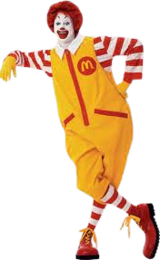
McDonald's Sales Dashboard
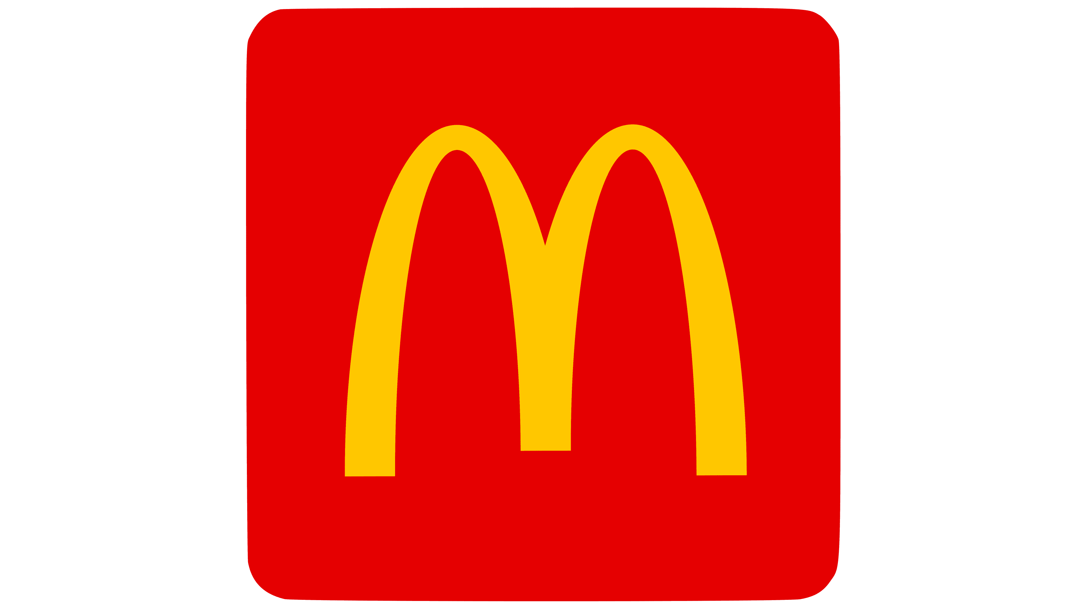
Total Revenue
₹ 61,716.91
Total Orders
12234
Big Mac
Most Freq Orderd
Items Per Order
2.28

Sales on Type of Days
 | Total
Weekday | $44,563.27
Weekend | $17,153.64
Sales by Category
 | Total
Burger | $22,516,878.00
Chicken | $15,949,460.00
Sandwich | $8,467,985.00
Sides | $7,754,079.00
Pasta | $6,764,106.00
Fries | $5,017,965.00
Breakfast | $2,714,719.00
Shakes | $2,206,126.00
Wraps | $2,097,434.00
Salad | $1,352,743.00
Sales by Category and Months
 | January | February | March
Breakfast | $319,661.00 | $841,902.00 | $1,553,156.00
Burger | $2,655,501.00 | $7,230,164.00 | $12,631,213.00
Chicken | $1,831,785.00 | $5,053,727.00 | $9,063,948.00
Fries | $577,612.00 | $1,505,233.00 | $2,935,120.00
Pasta | $736,299.00 | $2,200,030.00 | $3,827,777.00
Salad | $142,641.00 | $416,144.00 | $793,958.00
Sandwich | $946,010.00 | $2,639,128.00 | $4,882,847.00
Shakes | $277,898.00 | $631,255.00 | $1,296,973.00
Sides | $916,752.00 | $2,460,787.00 | $4,376,540.00
Wraps | $234,087.00 | $772,560.00 | $1,090,787.00

Order Volume by Hours
 | Total
10 | 5
11 | 630
12 | 1672
13 | 1575
14 | 968
15 | 751
16 | 1054
17 | 1370
18 | 1307
19 | 1085
20 | 889
21 | 608
22 | 309
23 | 11
Sales on Days of Week
 | Total
Sunday | $8,915.44
Monday | $10,173.14
Tuesday | $9,075.20
Wednesday | $7,625.76
Thursday | $8,468.61
Friday | $9,220.56
Saturday | $8,238.20
Top 5 Dishes by Sales
 | Total
Meatball Marinara | $4,288.23
Quarter Pounder with Cheese | $4,053.63
Angus Third Pounder | $3,939.07
Bulgogi Burger | $3,861.55
Big Mac | $3,779.69

